Sheet1
数据集名称 | 数据尺寸 | 空间分辨率 | 图片总数 | 最小类别数量 | 类别总数 | 最小类别名称 | 类别名称 | 图片
UC-Merced | 256×256 | 0.3 | 2,100 | 100 | 21 | 均匀 | ['agricultural', 'airplane', 'baseballdiamond', 'beach', 'buildings', 'chaparral', 'denseresidential', 'forest', 'freeway', 'golfcourse', 'harbor', 'intersection', 'mediumresidential', 'mobilehomepark', 'overpass', 'parkinglot', 'river', 'runway', 'sparseresidential', 'storagetanks', 'tenniscourt'] | 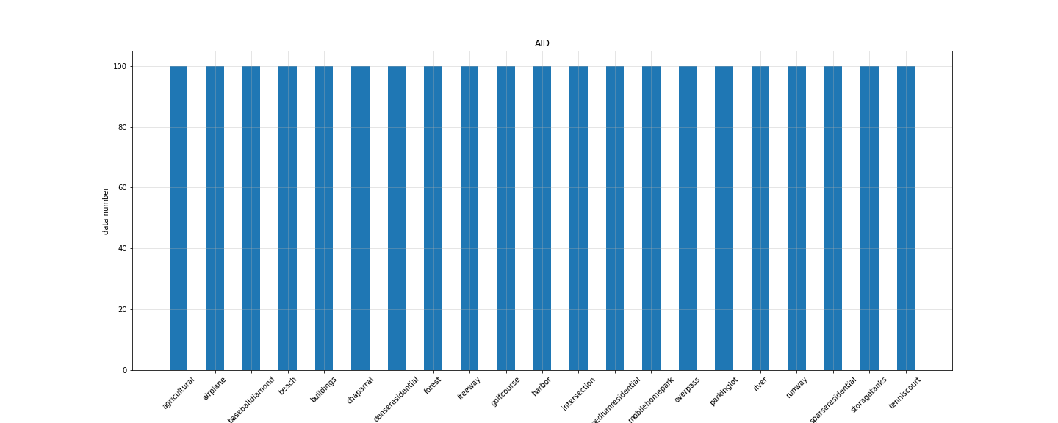
WHU-RS19 | 600×600 | up to 0.5 | 1,013 | 50 | 19 | Beach | ['Airport', 'Beach', 'Bridge', 'Commercial', 'Desert', 'Farmland', 'footballField', 'Forest', 'Industrial', 'Meadow', 'Mountain', 'Park', 'Parking', 'Pond', 'Port', 'railwayStation', 'Residential', 'River', 'Viaduct'] | 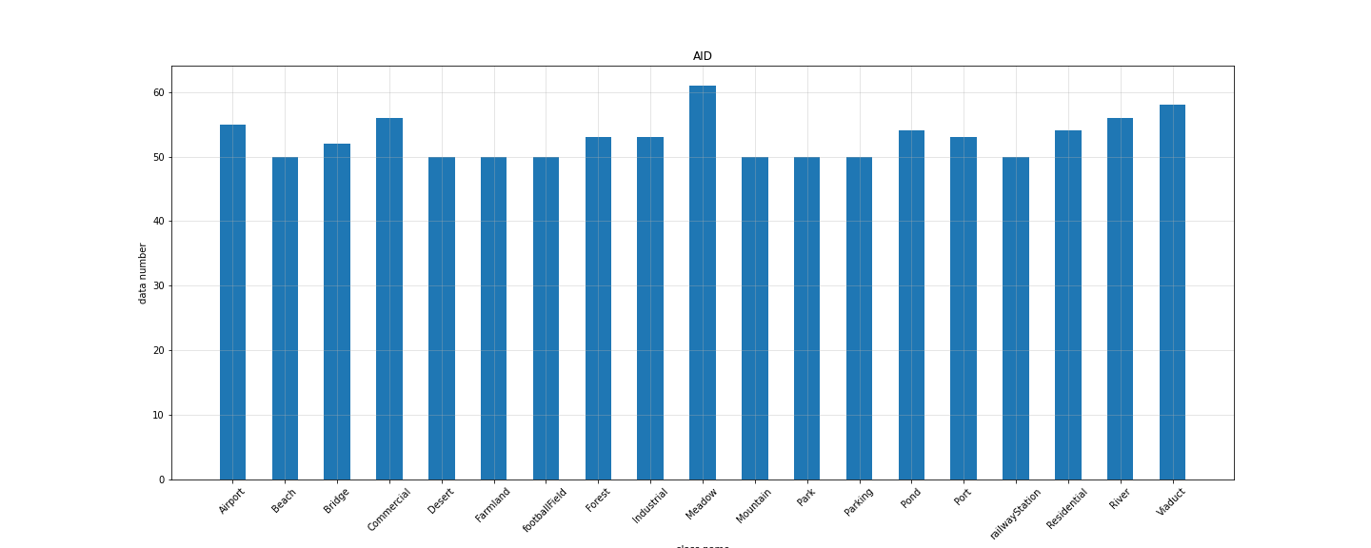
NaSC-TG2 | 128*128 | 未知 | 20,000 | 2000 | 10 | 均匀 | [海滩、圆形农田、云、荒漠、林地、山脉、矩形农田、建筑区、河流和雪山] | 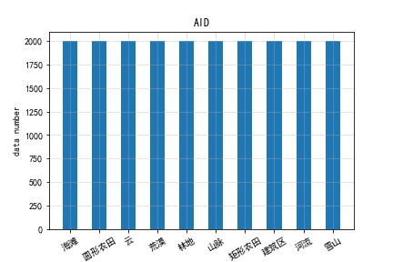
RSSCN7 | 400*400 | 未知 | 2,800 | 400 | 7 | 均匀 | ['aGrass', 'bField', 'cIndustry', 'dRiverLake', 'eForest', 'fResident', 'gParking'] | 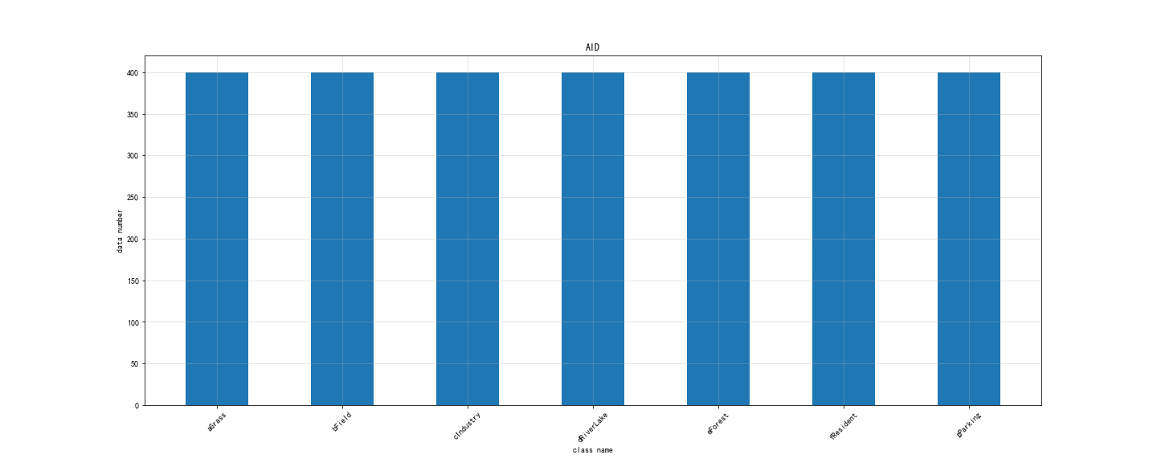
SAT-4 | 28*28 | 1 to 6 | 500,000 | 89963 | 4 | grassland | [barren land, trees, grassland, other ] | 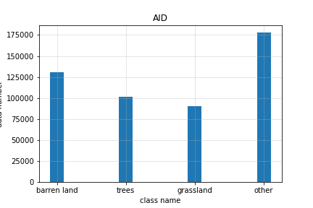
SAT-6 | 28*28 | 1 to 6 | 405,000 | 10262 | 6 | buildings | [barren land, trees, grassland, roads, buildings, water bodies] | 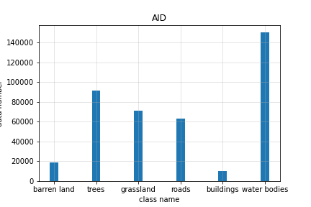
BCS | 600*600 | 未知 | 2,876 | 1438 | 2 | 均匀 | [non-coffee (less than 10% of coffee pixels),coffee (at least 85% of coffee pixels)] | 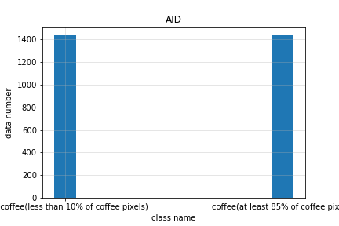
RSC11 | 512*512 | ~0.2 | 1,232 | 80 | 11 | railway | ['denseforest', 'grassland', 'harbor', 'highbuildings', 'lowbuildings', 'overpass', 'railway', 'residentialarea', 'roads', 'sparseforest', 'stroagetanks'] | 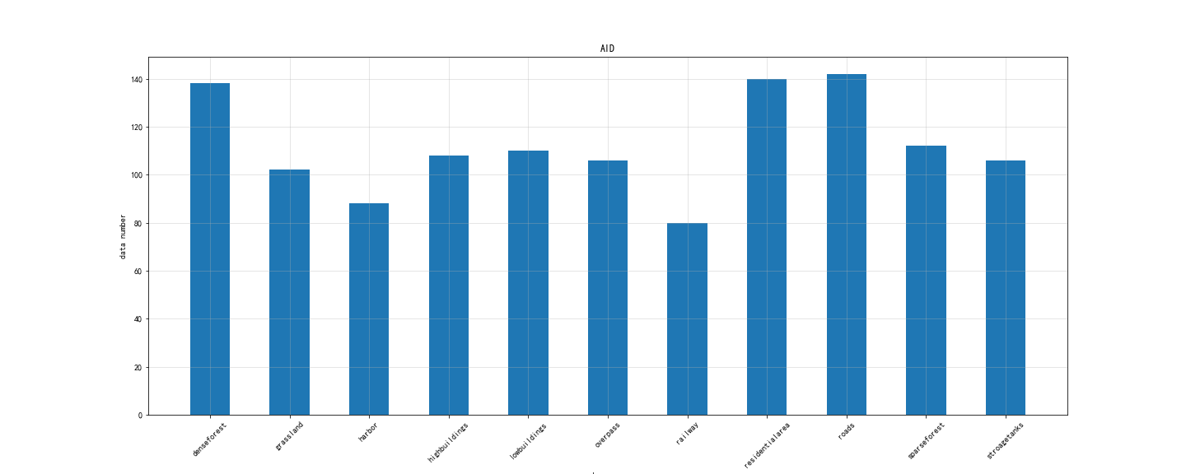
SIRI-WHU | 200*200 | 2 | 2,400 | 200 | 12 | 均匀 | ['agriculture', 'commercial', 'harbor', 'idle_land', 'industrial', 'meadow', 'overpass', 'park', 'pond', 'residential', 'river', 'water'] | 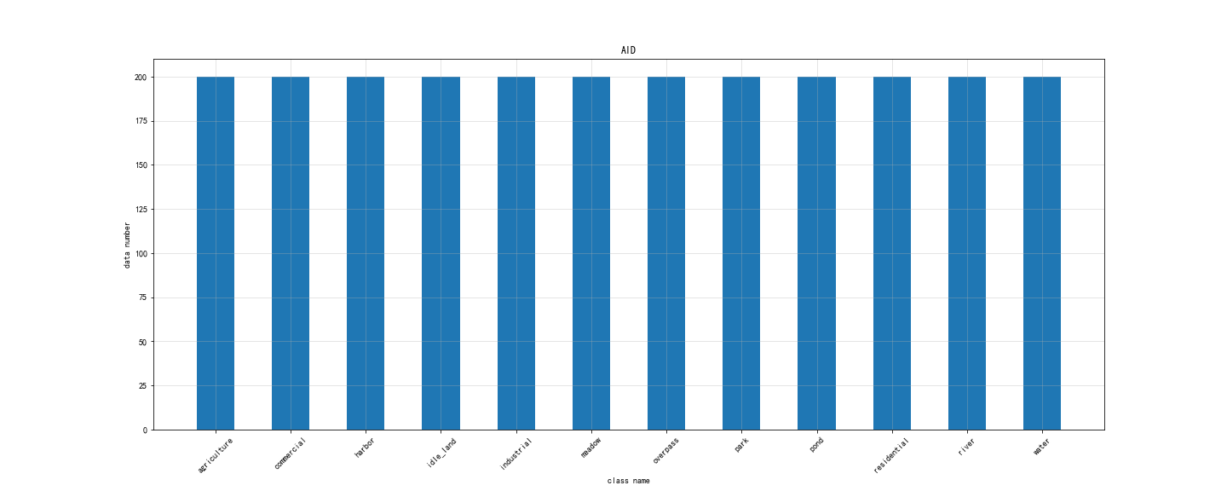
NWPU-RESISC45 | 256*256 | 0.2 to 30 | 31,500 | 700 | 45 | 均匀 | ['airplane', 'airport', 'baseball_diamond', 'basketball_court', 'beach', 'bridge', 'chaparral', 'church', 'circular_farmland', 'cloud', 'commercial_area', 'dense_residential', 'desert', 'forest', 'freeway', 'golf_course', 'ground_track_field', 'harbor', 'industrial_area', 'intersection', 'island', 'lake', 'meadow', 'medium_residential', 'mobile_home_park', 'mountain', 'overpass', 'palace', 'parking_lot', 'railway', 'railway_station', 'rectangular_farmland', 'river', 'roundabout', 'runway', 'sea_ice', 'ship', 'snowberg', 'sparse_residential', 'stadium', 'storage_tank', 'tennis_court', 'terrace', 'thermal_power_station', 'wetland'] | 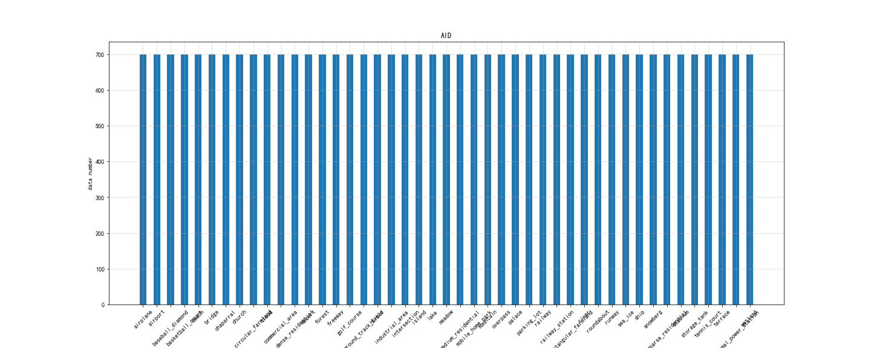
AID | 600*600 | 0.5 to 8 | 10,000 | 220 | 30 | BaseballField | ['Airport', 'BareLand', 'BaseballField', 'Beach', 'Bridge', 'Center', 'Church', 'Commercial', 'DenseResidential', 'Desert', 'Farmland', 'Forest', 'Industrial', 'Meadow', 'MediumResidential', 'Mountain', 'Park', 'Parking', 'Playground', 'Pond', 'Port', 'RailwayStation', 'Resort', 'River', 'School', 'SparseResidential', 'Square', 'Stadium', 'StorageTanks', 'Viaduct'] | 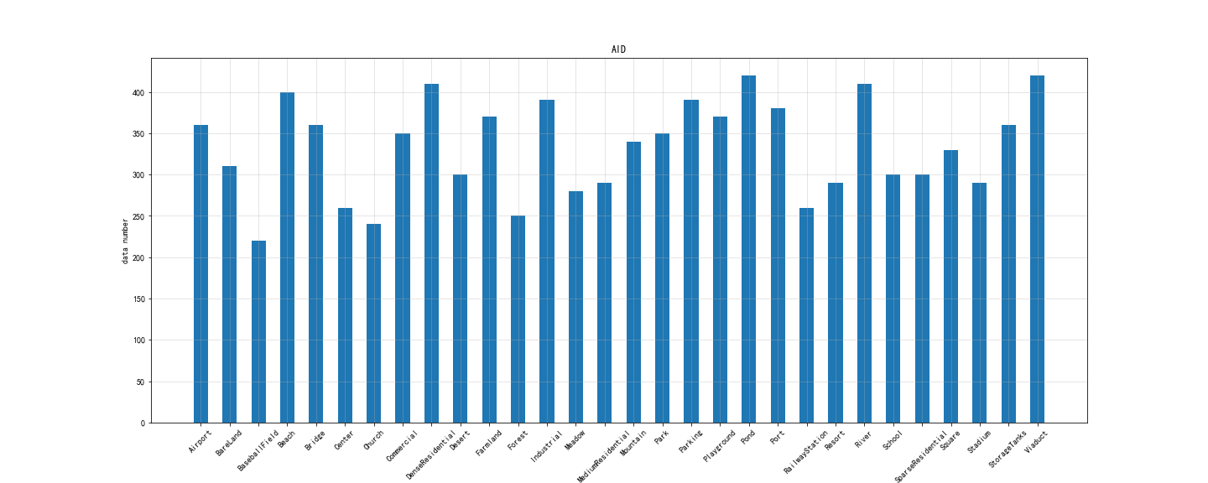
RSI-CB128 | 128*128 | 0.3 to 3 | 36,000 | 173 | 45 | tower | ['city_building', 'container', 'grave', 'residents', 'storage_room', 'tower', 'bare_land', 'dry_farm', 'green_farmland', 'desert', 'mountain', 'sandbeach', 'snow_mountain', 'pipeline', 'town', 'airport_runway', 'avenue', 'bridge', 'city_road', 'crossroads', 'fork_road', 'highway', 'marina', 'mountain_road', 'overpass', 'parkinglot', 'rail', 'turning_circle', 'coastline', 'dam', 'hirst', 'lakeshore', 'river', 'sea', 'stream', 'artificial_grassland', 'city_avenue', 'city_green_tree', 'forest', 'mangrove', 'natural_grassland', 'river_protection_forest', 'sapling', 'shrubwood', 'sparse_forest'] | 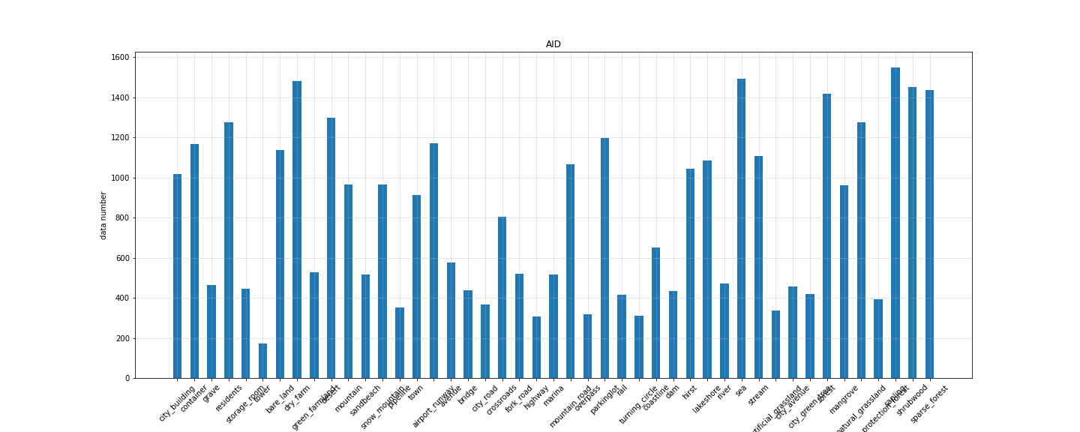
RSI-CB256 | 256×256 | 0.3 to 3 | 24,000 | 198 | 35 | pipeline | ['city_building', 'container', 'residents', 'storage_room', 'bare_land', 'dry_farm', 'green_farmland', 'desert', 'mountain', 'sandbeach', 'snow_mountain', 'airplane', 'pipeline', 'town', 'airport_runway', 'avenue', 'bridge', 'crossroads', 'highway', 'marina', 'parkinglot', 'coastline', 'dam', 'hirst', 'lakeshore', 'river', 'sea', 'stream', 'artificial_grassland', 'forest', 'mangrove', 'river_protection_forest', 'sapling', 'shrubwood', 'sparse_forest'] | 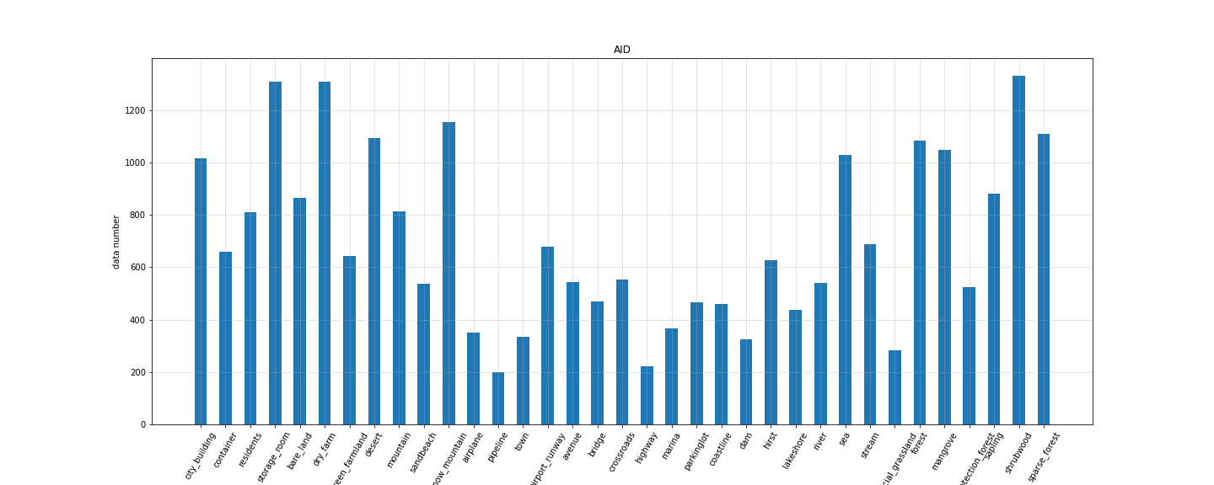
Planet-UAS | 256*256 | 3 to 5 | 40,408 | 未知 | 17
RSD46-WHU | 256*256 | 0.5 to 2 | 117000 | 500 | 46 | Sewage plant-type-two | ['Airplane', 'Airport', 'Artificial dense forest land', 'Artificial sparse forest land', 'Bare land', 'Basketball court', 'Blue structured factory building', 'Building', 'Construction site', 'Cross river bridge', 'Crossroads', 'Dense tall building', 'Dock', 'Fish pond', 'Footbridge', 'Graff', 'Grassland', 'Low scattered building', 'Lrregular farmland', 'Medium density scattered building', 'Medium density structured building', 'Natural dense forest land', 'Natural sparse forest land', 'Oiltank', 'Overpass', 'Parking lot', 'Plasticgreenhouse', 'Playground', 'Railway', 'Red structured factory building', 'Refinery', 'Regular farmland', 'Scattered blue roof factory building', 'Scattered red roof factory building', 'Sewage plant-type-one', 'Sewage plant-type-two', 'Ship', 'Solar power station', 'Sparse residential area', 'Square', 'Steelsmelter', 'Storage land', 'Tennis court', 'Thermal power plant', 'Vegetable plot', 'Water'] | 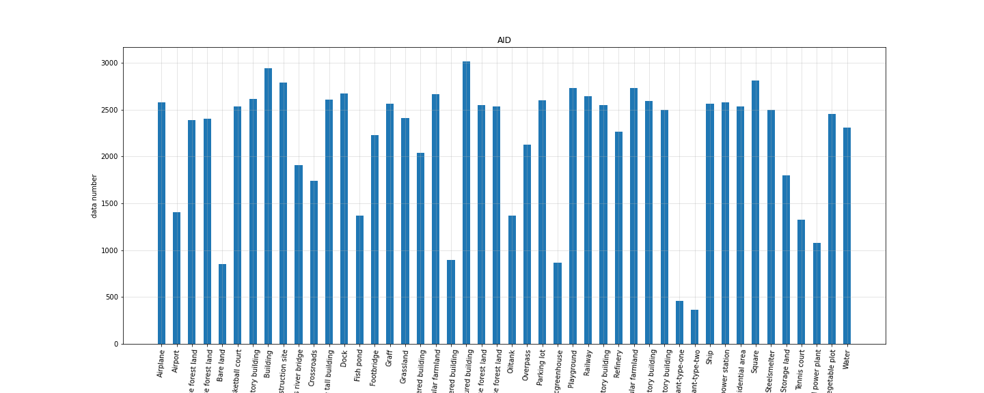
MASATI | 512×512 | -- | 7389 | 304 | 7 | multi | ['coast', 'coast_ship', 'detail', 'land', 'multi', 'ship', 'water'] | 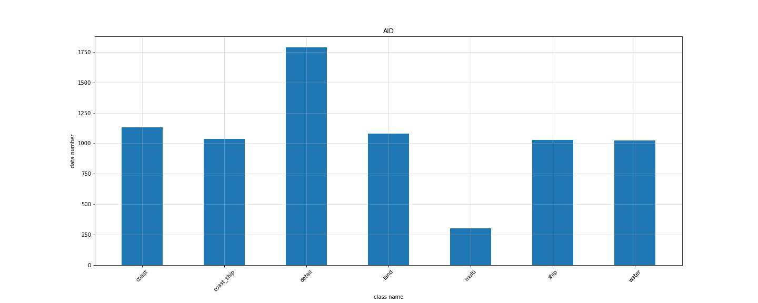
EuroSAT | 64×64 | 10 | 27,000 | 2000 | 10 | Pasture | ['AnnualCrop', 'Forest', 'HerbaceousVegetation', 'Highway', 'Industrial', 'Pasture', 'PermanentCrop', 'Residential', 'River', 'SeaLake'] | 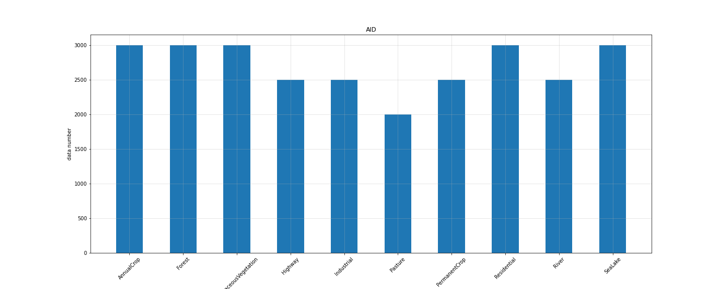
PatternNet | 256×256 | 0.06 to 4.7 | 30,400 | 800 | 38 | airplane | ['airplane', 'baseball_field', 'basketball_court', 'beach', 'bridge', 'cemetery', 'chaparral', 'christmas_tree_farm', 'closed_road', 'coastal_mansion', 'crosswalk', 'dense_residential', 'ferry_terminal', 'football_field', 'forest', 'freeway', 'golf_course', 'harbor', 'intersection', 'mobile_home_park', 'nursing_home', 'oil_gas_field', 'oil_well', 'overpass', 'parking_lot', 'parking_space', 'railway', 'river', 'runway', 'runway_marking', 'shipping_yard', 'solar_panel', 'sparse_residential', 'storage_tank', 'swimming_pool', 'tennis_court', 'transformer_station', 'wastewater_treatment_plant'] | 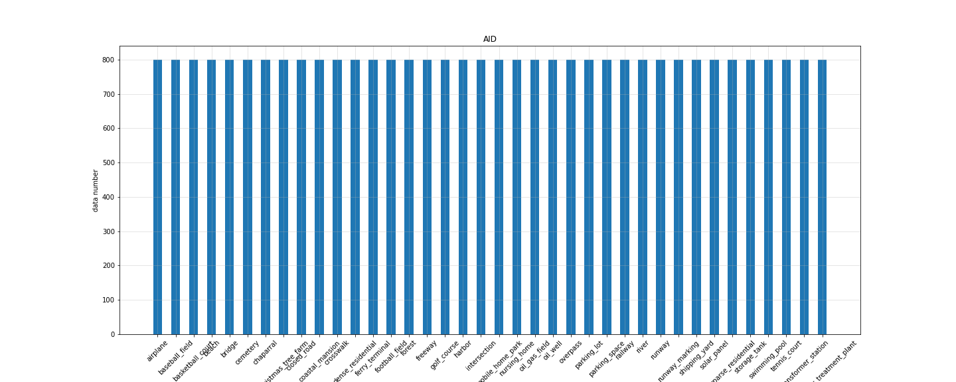
fMoW | 74×58 to 16184×16288 | 0.5 | 132,716 | -- | 62
WiDS Datathon 2019 | 256×256 | 3 | 20,000 | 1219 | 2 | any presence of a plantation | 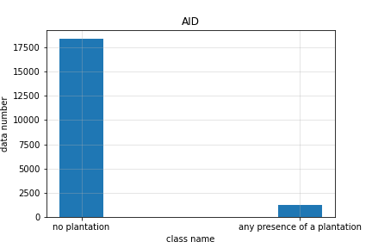 [no plantation,any presence of a plantation]
Optimal-31 | 256×256 | -- | 1,860 | 60 | 31 | 均匀 | ['airplane', 'airport', 'baseball_diamond', 'basketball_court', 'beach', 'bridge', 'chaparral', 'church', 'circular_farmland', 'commercial_area', 'dense_residential', 'desert', 'forest', 'freeway', 'golf_course', 'ground_track_field', 'harbor', 'industrial_area', 'intersection', 'island', 'lake', 'meadow', 'medium_residential', 'mobile_home_park', 'mountain', 'overpass', 'parking_lot', 'railway', 'rectangular_farmland', 'roundabout', 'runway'] | 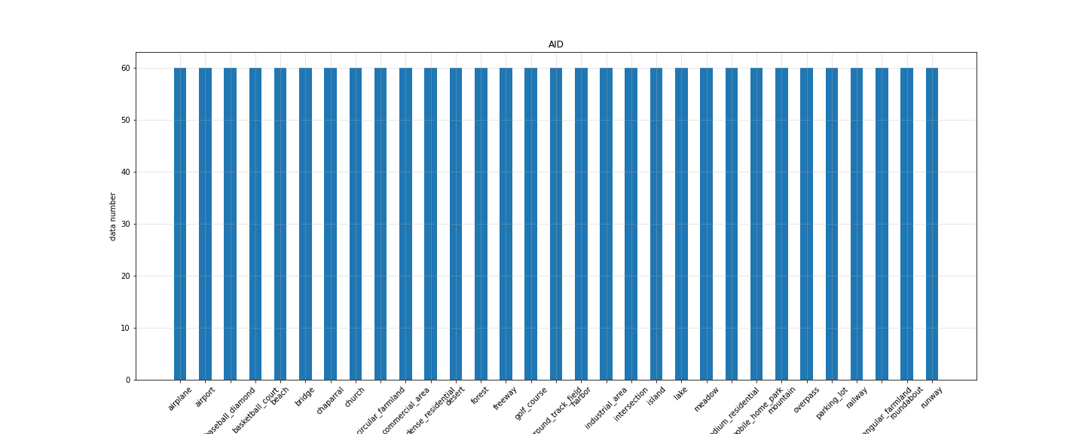
BigEarthNet | 20×20,60×60,120×120 | 10,20,60 | 590,326 | 328 to 217,119 | 43
CLRS | 256×256 | 0.26 to 8.85 | 15,000 | 600 | 25 | 均匀 | ['airport', 'bare-land', 'beach', 'bridge', 'commercial', 'desert', 'farmland', 'forest', 'golf-course', 'highway', 'industrial', 'meadow', 'mountain', 'overpass', 'park', 'parking', 'playground', 'port', 'railway', 'railway-station', 'residential', 'river', 'runway', 'stadium', 'storage-tank'] | 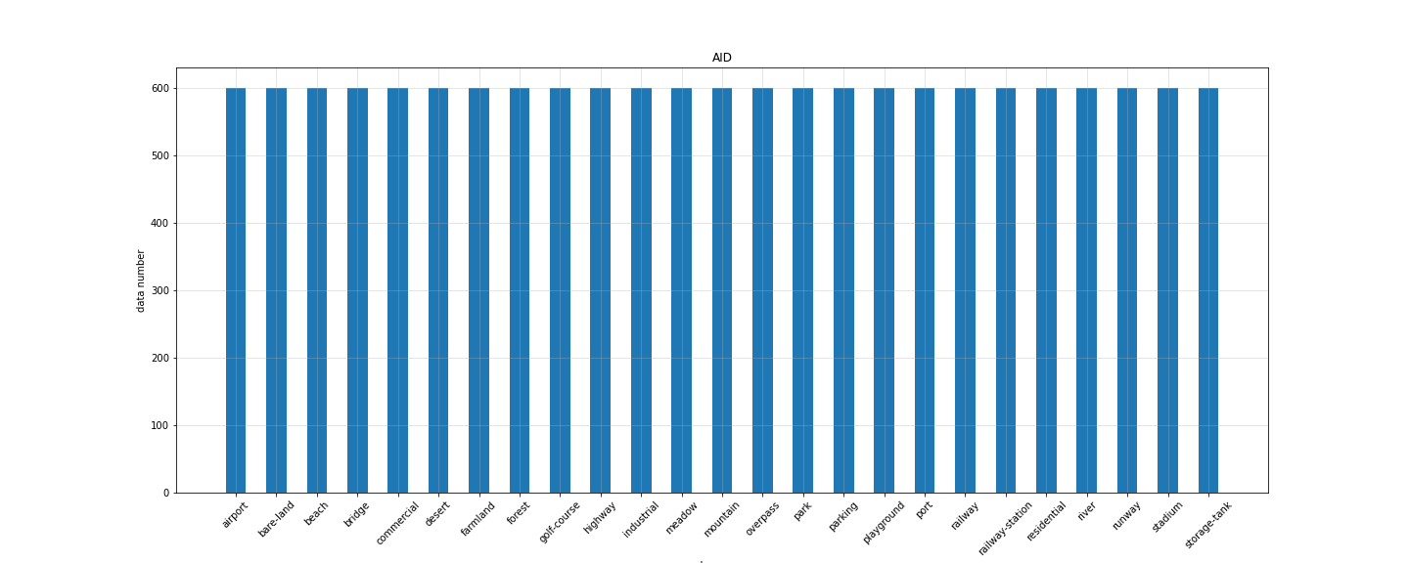
MLRSN | 256×256 | 0.1 to 10 | 109,161 | 1,500 | 46 | bareland | ['airplane', 'airport', 'bareland', 'baseball_diamond', 'basketball_court', 'beach', 'bridge', 'chaparral', 'cloud', 'commercial_area', 'dense_residential_area', 'desert', 'eroded_farmland', 'farmland', 'forest', 'freeway', 'golf_course', 'ground_track_field', 'harbor&port', 'industrial_area', 'intersection', 'island', 'lake', 'meadow', 'mobile_home_park', 'mountain', 'overpass', 'park', 'parking_lot', 'parkway', 'railway', 'railway_station', 'river', 'roundabout', 'shipping_yard', 'snowberg', 'sparse_residential_area', 'stadium', 'storage_tank', 'swimmimg_pool', 'tennis_court', 'terrace', 'transmission_tower', 'vegetable_greenhouse', 'wetland', 'wind_turbine'] | 